Sheet1
Age |  |  |  |  |  |  | Median Q2 |  |  |  |  |  | Exploratory Data Analysis
16 |  |  |  | Lowest ------…...........................................................................................> Highest
18
18 |  |  |  |  |  | 25th Percentile |  |  | 75th Percentile |  |  |  |  |  |  |  |  | 23
18 |  |  |  |  |  |  |  |  |  |  |  |  |  |  |  |  |  | 19
19 |  |  |  |  |  |  |  |  |  |  |  |  |  |  |  |  |  | 17
20
20
21
25
25
28
29
30 |  |  |  |  |  |  |  |  |  | 37
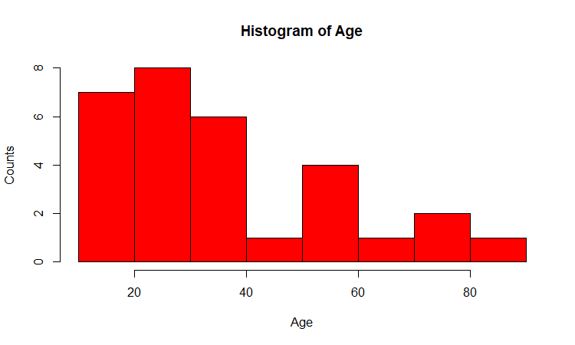
30 |  |  |  |  |  |  |  |  |  | 37.77
30
32 |  |  |  |  |  |  |  |  |  | 31 |  | Placement Details
35
36 |  |  |  |  |  |  |  |  |  |  |  | Convocation ….Director
38 |  |  |  |  |  |  |  |  |  |  | 60 |  |  |  | 12 lacs/annum
40 |  |  |  |  |  |  |  |  |  |  |  |  |  |  | 7
40 |  |  |  |  |  |  |  |  |  |  |  |  |  |  | 3.5
45 |  |  |  |  |  |  |  |  |  |  |  |  |  | 15 | not placed = 0
56
 | Values
1 | 21
2 | 22
3 | 25
4 | 27
5 | 45
56
58 |  |  |  |  |  |  |  |  |  | Data Pts | Values
59 |  |  |  |  |  |  |  |  |  | 1 | 21
65 |  |  |  |  |  |  |  |  |  | 2 | 22
72 |  |  |  |  |  |  |  |  |  | 3 | 25
73 |  |  |  |  |  |  |  |  |  | 4 | 27 |  |  |  |  |  | 12
81 |  |  |  |  |  |  |  |  |  | 5 | 45 |  | extreemly large |  |  | 21 | 21
 |  |  |  |  |  |  |  |  |  |  |  |  |  |  |  | 22 | 22
 |  |  |  |  |  |  |  |  |  |  |  |  |  |  |  | 25 | 25
 |  |  |  |  |  |  |  |  |  |  | North Korea |  | US/SK |  |  | 27 | 27
 |  |  |  |  |  |  |  |  |  |  | Israel |  | Palest |  |  |  | 45
 |  |  |  |  |  |  |  |  |  |  | Pakis |  | India |  |  | 23.75 | 25.333333333
 |  |  |  |  |  |  |  |  |  |  | China |  | the whole world
 |  |  |  |  |  |  |  |  |  |  | Japan ----------------> |  | SD
 |  |  |  |  |  |  |  |  |  |  | Strength
 |  |  |  |  |  |  |  |  |  |  | QUALITY ---------> |  | consistency --------> DEVIATION
 |  |  |  |  |  |  |  |  |  |  |  |  |  |  | DP | KK

 |  |  |  |  |  |  |  |  | 1 | Mother law of moving bodies ----> |  |  |  | N Law of Motion
 |  |  |  | 10 am …..7 am…........EXAM ….Taking |  |  |  |  | 2 | Electrical Engg ---------------------? |  |  |  | V= C*R
 |  |  |  | 50 qsns….15 mnts % |  |  |  |  | 3 | Inorganic Chem, --------------------? |  |  |  | Mandlf pt
 |  |  |  |  |  |  |  |  | 4 | PL….BS --------------------> |  |  |  | Acctng Eq
 |  |  |  |  | point est
 |  |  |  | nkl | 90
 |  |  |  | laks | 100
 |  |  |  | drj | 75
 |  |  |  | yuv | 100 |  |  |  |  |  |  |  |  | Range
 |  |  |  | mah | 95 |  |  |  |  |  |  |  | smita | 85-90
 |  |  |  | gaur | 100
 |  |  |  |  | 90 |  |  | 8am---phone…..pick….JF…..BLR airport…..3-4 Hrs---------
 |  |  |  | sivpr | 75
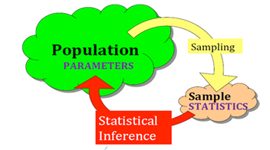
 |  |  |  | what is the pop mean age? [And how much confident your while posting your answer/estimate?]
 |  |  |  |  | Cond Level
 |  |  |  | 20-40 | 95 | critical calue
 |  |  |  | 34-40 |  |  |  |  | 2 pdf 11, 4 |  | 3.43 | = sd/SQRT(n) = 18.8/SQRT(30)
 |  |  |  | 37.77 |  |  |  |  | = 37.77 +,- ( ) * se(mean)
 |  |  |  | 35-40 |  |  |  |  |  | 1.96 | Critical value of Z (Normal Distributio) correspond to 95% CL
 |  |  |  | 37.5 |  |  |  | UL | 45
 |  |  |  | 34.77-40.77 |  |  |  | LL | 31
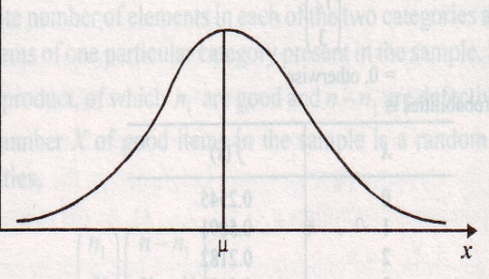
 |  |  |  |  |  |  |  |  |  | You need to FORGET Z critical value |  |  |  | 2-5 %
 |  |  |  |  |  |  |  |  |  | t critical

 |  |  |  |  |  |  |  | one gentleman….europe….mgr….beer manufacturing …....in love with ?....STATISTICS…...
 |  |  |  |  |  |  |  | study…..publish papers …..his boss was liking…..
 |  |  |  |  |  |  |  | pseudo name…...student …...t distribution (1) slightly flatten peak/bump (2) slightly thicker tails

2.5%
 |  |  |  |  |  |  |  |  | Normal Dist ===== Sample/data is small…<30
 |  |  |  |  |  |  |  |  | t-dist
 |  |  |  |  |  |  |  | alpha [1-CL (Fraction; 100-CL (percent)) = 5%, 0.05; degrees of freedom (n-1) = 30-1 = 29
2.5%
 |  | 0.025
 |  |  |  |  |  |  |  |  | t crit | 2.045 @ 5% alpha and df = 29
 |  |  |  |  |  |  |  |  | excel formula
 |  |  |  |  |  |  | 0.025
 |  |  |  |  |  |  |  |  | 2.0452296421 | =TINV(0.05,29)
 |  |  |  | 95%
 |  |  | n | z crit | t crit
 |  |  | 30 | 1.96 | 2.0452296421
 |  |  | 50 | 1.96 | 2.0095752371
 |  |  | 100 | 1.96 | 1.9842169516
 |  |  | 500 | 1.96 | 1.964729391
 |  |  | 1000 | 1.96 | 1.9623414611
 |  |  | 2000 | 1.96 | 1.9611514202
 |  |  | 10000 | 1.96 | 1.9602012636

 |  |  | all the softwares r, python, sas
 |  |  | spss, minitab…..t crit

 |  |  |  |  |  | name | Gender | income | age | Have u stopped drinking?
 |  |  |  |  | 1 | gaurav | m | 50 | 30
 |  |  |  |  | 2 | abhij | m | 70 | 30
 |  |  |  |  | 3 | sharmila | f | 75
 |  |  |  |  |  | lakshmi | f | 80
 |  |  |  |  | 100 | soumya | f | 100

 |  |  |  |  |  | SUM

 |  | out lier

 |  |  | 21
 |  |  | 23
 |  |  | 24
 |  |  | 20
 |  |  | 25
 |  |  | 29
 |  |  |  | 30

 |  |  |  |  |  |  |  |  |  | gpa increases------final also increases

 |  |  |  |  |  |  |  |  | 0.5
 |  |  | -1 |  |  |  | 0 |  |  |  | 1
 |  |  |  |  |  |  |  |  | 0.6 |  |  |  | no of gifts /wk --- wife
 |  |  |  |  |  |  |  |  |  |  |  |  |  |  | happy index
 |  |  |  | abhi | neelam | sharmila | ragu | Laksh | soumya | dheeraj | gaurav
 |  |  | IQ | 0.60 | 0.73 | 0.73 | 0.73 | 0.80 | 0.83 | 0.97 | 1.00 |  | nos of times visiting pub/week ----wife
 |  |  | 30
 |  |  |  |  |  |  |  |  |  |  |  |  |  |  | happy index
 |  |  | 0 |  |  |  |  |  |  |  | 1
 |  |  |  |  |  |  |  |  |  |  |  |  | more pampering of kids ----> discipline kids
 |  | 150
 | Laksh | 120 | 0.80 |  | abhi | 0.60 |  |  |  |  |  |  | stk mkt return ----- gold prices
 | soumya | 125 | 0.83 |  | neelam | 0.73
neelam |  | 110 | 0.73 |  | sharmila | 0.73 |  |  |  |  | Good
 | abhi | 90 | 0.60 |  | ragu | 0.73 |  |  |  |  | existing | 0.2
 | sharmila | 110 | 0.73 |  | Laksh | 0.80
 | dheeraj | 145 | 0.97 |  | soumya | 0.83 |  |  |  |  |  | DM ---> Visulization --> Hypo Testing --> Cluster Analysis --> Text Mining
 | gaurav | 150 | 1.00 |  | dheeraj | 0.97 |  |  |  |  |  | Guidelines website ----
 | ragu | 110 | 0.73 |  | gaurav | 1.00

 |  |  |  | sales | Region 1= North, 2= East, 3=West, 4 = South |  |  |  |  |  |  |  | 20
 |  |  | co1 | 200 | 1 |  |  |  |  |  | north + west
 |  |  | co2 | 221 | 3 |  |  |  |  |  | south + east |  | Productivity |  | 2
 |  |  |  | 234 | 2 |  |  |  |  |  |  |  | Honesty |  | 3
 |  |  |  | 300 | 1 |  |  |  |  |  |  |  | Ethics
 |  |  |  | 375 | 4 |  |  | less than 500; more than 500
 |  |  |  | 400 | 2 |  |  |  |  |  |  |  | p1 | temp
 |  |  |  | 125 | 3 |  |  | same task |  |  |  |  | p2
 |  |  |  | 534 | 4 |  |  | 1000 | 30 |  |  |  | p3
 |  |  |  |  |  |  |  |  |  | 40 % of the data
 |  |  | co_1000 | 1800 | 2 |  |  |  |  |  |  |  | p1000
 |  |  | IT cos
 |  |  |  | IQ |  |  |  |  |  |  |  |  |  |  | 0-10 (LOW 10 HIGH)
C
 |  |  |  |  |  |  |  |  |  | (9-8) |  |  |  |  | B | IQ | SB | Hum
 |  |  |  |  |  |  |  |  | (9-8) |  |  |  |  | Madhuri | 8 | 8 | 7 | 0
 |  |  |  |  |  |  |  |  |  |  |  |  |  | Allia | 7 | 2 | 9 | 8
 |  |  |  |  |  |  |  |  |  |  |  |  |  | Deepika | 9 | 9 | 8 | 5
 |  |  |  |  |  |  |  |  |  |  |  |  |  | MM | 0
 |  |  |  |  |  |  |  |  |  |  |  |  |  | MA | 10.246950766
 |  |  |  |  |  |  |  |  |  |  |  |  |  | MD | 5.2915026221
 |  |  |  |  |  |  |  |  |  |  |  |  |  | AD

 |  |  |  |  |  |  |  |  |  |  |  |  | H = Dist = SQRT(Hd^2 + Vd^2) |  |  | Euclidean Distance
 |  |  |  |  |  |  |  |  |  |  |  |  | 1.4142135624
 |  |  |  |  |  |  |  |  |  | B

